Hive
Financial Metrics
 | mkt cap | share price | shares outstanding | cash | debt
 | $580,442,400 | $2.75 | 148,072,000 | $25,600,000 | $46,401,000 |  |  |  |  |  |  | $97,857.13 |  |  | value key
 |  |  |  |  |  |  |  |  |  |  |  | $2,746.41 |  |  | HPC (h-100's)per card | $30,000
 |  |  |  |  |  |  |  |  |  |  |  |  |  |  | raw power \and secured | $300,000
Mining Metrics |  |  |  |  |  |  |  |  |  |  | miner price index |  |  |  | operating btc mine infrastructure | $750,000
 | BTC HODL | Market Value | BTC as % of MC | MW opperating | MW owned |  |  |  |  |  | under 25 J/TH | $17.91 |  |  | operating btc that can be converted to ppc with only redundancy added | $1,500,000
 | 2533 | $247,872,110 | 42.7% | 142 | 346 |  |  |  |  |  | 25-38 J/TH | $11.90 |  |  | ppc tier 2 or higher | $2,500,000
 |  |  |  |  |  |  |  |  |  |  | 38-69 J/TH | $2.75

Fleet Efficiency (Self-Mining only)
 | efficiency rate (J/Th) | c/kWh | deployed fleet | TH/ miner | Deployed EH/s | EH/s by 2025
 | 28.98 | 4.5 | 38,000 | 128.95 | 4.9 | 12

Salvage/ Intrinsic Value
 | value of miners | value of HPC | opperating BTC infra. value | hpc infra. tier 2 or higher | raw power \ land secured | operating btc that can be converted to hpc with only redundancy added | PPA value | PPA detail | BTC HODL (USD) | ETH (USD) | cash | asset value | debt & other liablities | salvage ratio
 | $58,310,000 | $69,800,000 | $106,500,000 | $80,000,000 | $61,200,000 | $45,000,000 | $100,000,000 | n/a | $247,872,110 | $0 | $25,600,000 | $794,282,110 | $46,401,000 | 1.29
 | BTC HODL
Jan-24 | 1939
Feb-24 | 2131
Mar-24 | 2287
Apr-24 | 2377
May-24 | 2451
Jun-24 | 2496
Jul-24 | 2533
 | Energized hashrate EH/S
Jan-24 | 4.1
Feb-24 | 4.2
Mar-24 | 4.7
Apr-24 | 5
May-24 | 5
Jun-24 | 4.9
Jul-24 | 4.7
 | Revenue per TH/s
Jan-24 | $2.50
Feb-24 | $2.90
Mar-24 | $3.40
Apr-24 | $2.65
May-24 | $1.65
Jun-24 | $1.59
Jul-24 | $1.59
`

Hut8
Financial Metrics
 | mkt cap | share price | shares outstanding | cash | debt
 | $2,107,698,096 | $20.32 | 103,725,300 | $175,476,000 | $418,655,000 |  |  |  |  |  |  | $97,857.13 |  |  | value key
 |  |  |  |  |  |  |  |  |  |  |  | $2,746.41 |  |  | HPC (h-100's)per card | $30,000
 |  |  |  |  |  |  |  |  |  |  |  |  |  |  | raw power \and secured | $300,000
Mining Metrics |  |  |  |  |  |  |  |  |  |  | miner price index |  |  |  | operating btc mine infrastructure | $750,000
 | BTC HODL | Market Value | BTC as % of MC | MW opperating (self) | MW owned | MW under management |  |  |  |  | under 25 J/TH | $17.91 |  |  | operating btc that can be converted to ppc with only redundancy added | $1,500,000
 | 9102 | $890,695,597.26 | 42% | 182 | 1075 | 582 |  |  |  |  | 25-38 J/TH | $11.90 |  |  | ppc tier 2 or higher | $2,500,000
 |  |  |  |  |  |  |  |  |  |  | 38-69 J/TH | $2.75

Fleet Efficiency (Self-Mining only)
 | efficiency rate (J/Th) | c/kWh | deployed fleet | TH/ miner | Deployed EH/s | EH/s by 2025
 | 33.1 | 3.2 | 58200 | 94.50 | 5.5 | 7.5

Salvage/ Intrinsic Value
 | value of miners | value of HPC | operating BTC infra. value | hpc infra. tier 2 or higher | raw power \ land secured | op. btc that can be converted to hpc with only redundancy added | PPA value | PPA detail | BTC HODL (USD) | ETH (USD) | cash | asset value | debt & other liablities | salvage ratio
 | $65,450,000 | not disclosed (3MW) | $136,500,000 | $0 | $267,900,000 | $0 | $100,000,000 | n/a | $890,695,597 | $0 | $175,476,000 | $1,636,021,597 | $418,655,000 | 0.58
 | Energized hashrate EH/S
Jan-24 | 7.2
Feb-24 | 7.2
Mar-24 | 7.2
Apr-24 | 7.2
May-24 | 5.5
Jun-24 | 5.7
Jul-24 | 4.7
 | revenue per TH/s
Jan-24 | $2.00
Feb-24 | $2.50
Mar-24 | $3.10
Apr-24 | $1.25
May-24 | $1.00
Jun-24 | $1.20
Jul-24 | $1.20
 | BTC HODL
Jan-24 | 9195
Feb-24 | 9110
Mar-24 | 9102
Apr-24 | 9109
May-24 | 9103
Jun-24 | 9105
Jul-24 | 9102

Wulf
Financial Metrics |  |  |  |  |  |  |  | $97,857.13 |  | value key
 | mkt cap | share price | shares outstanding | cash | debt |  |  | $2,746.41 |  | HPC (h-100's)per card | $30,000
 | $1,871,652,344 | $4.85 | 385,907,700 | $104,100,000 | $-
 |  |  |  |  |  |  |  |  |  | raw power\land | $300,000
 |  |  |  |  |  |  | miner price index |  |  | op. btc infrastructure | $750,000
Mining Metrics |  |  |  |  |  |  | under 25 J/TH | $17.91 |  | convertible to hpc w/ redundancy | $1,500,000
 | BTC HODL | Market Value | BTC as % of MC | MW opperating | MW owned |  | 25-38 J/TH | $11.90 |  | ppc tier 2 or higher | $2,500,000
 | 0 | $- | 0.00% | 245 | 600
 |  |  |  |  |  |  | 38-69 J/TH | $2.75

Fleet Efficiency (Self-Mining only)
 | efficiency rate (J/Th) | c/kWh | deployed fleet | TH/ miner | Deployed EH/s | EH/s by YE 2025
 | 24.50 | 3.7 | 59,890 | 166.97 | 10 | 16

Salvage/ Intrinsic Value
 | value of miners | value of HPC | opperating BTC infra. value | hpc infra. tier 2 or higher | raw power \ land secured | op. btc that can be converted to hpc with only redundancy added | PPA value | PPA detail | BTC HODL (USD) | cash | asset value | debt & other liablities | salvage ratio
 | $179,100,000 | $3,840,000 | $183,750,000 | $6,250,000 | $106,500,000 | $105,000,000 | $100,000,000 | details | $0 | $196,100,000 | $880,540,000 | $- | 0.47

 | Energized hashrate EH/S
Jan-24 | 7.1
Feb-24 | 7.9
Mar-24 | 8
Apr-24 | 8
May-24 | 8
Jun-24 | 8.8
Jul-24 | 10
 | revenue per TH/s
Jan-24 | $2.20
Feb-24 | $2.40
Mar-24 | $3.40
Apr-24 | $2.88
May-24 | $1.51
Jun-24 | $1.31
Jul-24 | $1.26

RIOT
Financial Metrics |  |  |  |  |  |  |  | $97,857.13 |  | value key
 | mkt cap | share price | shares outstanding | cash | debt | BitFarm ownership |  | $2,746.41 |  | HPC (h-100's)per card | $30,000
 | $3,838,226,436 | $11.16 | 343,927,100 | $355,000,000 | $173,000,000 | $122,550,840 |  |  |  | raw power\land | $300,000
 |  |  |  |  |  |  |  |  |  | op. btc infrastructure | $750,000
 |  |  |  |  |  |  | miner price index |  |  | convertible to hpc w/ redundancy | $1,500,000
Mining Metrics |  |  |  |  |  |  | under 25 J/TH | $17.49 |  | ppc tier 2 or higher | $2,500,000
 | BTC HODL | Market Value | BTC as % of MC | MW mining | MW opperating | MW owned | 25-38 J/TH | $12.68
 | 17,722 | $1,734,224,058 | 45.18% | 800 | 1160 | 1,810 | 38-69 J/TH | $3.37

Fleet Efficiency (Self-Mining only)
 | efficiency rate (J/Th) | c/kWh | deployed fleet | TH/ miner | Deployed EH/s | EH/s by YE 2025
 | 25.40 | 3.1 | 210,000 | 150.00 | 31.5 | 46.7 |  |  |  |  |  | $3,754,709,898

Salvage/ Intrinsic Value
 | value of miners | value of HPC | opperating BTC infra. value | hpc infra. tier 2 or higher | raw power \ land secured | op. btc that can be converted to hpc with only redundancy added | PPA value | PPA detail | BTC HODL (USD) | cash | asset value | debt & other liablities | salvage ratio | salvage ratio per share
 | $550,935,000 | $0 | $870,000,000 | $0 | $195,000,000 | $0 | $100,000,000 | details | $1,734,224,058 | $355,000,000 | $3,927,709,898 | $173,000,000 | 0.98 | 10.92
 | Energized hashrate EH/S
Jan-24 | 12.4
Feb-24 | 12.4
Mar-24 | 12.4
Apr-24 | 12.4
May-24 | 14.7
Jun-24 | 22
Jul-24 | 15.5
Aug-24 | 14.5
Sep-24 | 28.2
Oct-24 | 29.4
Nov-24 | 29.4
Dec-24 | 31.5
 | revenue per TH/s
Jan-24 | $2.10
Feb-24 | $2.20
Mar-24 | $2.60
Apr-24 | $1.97
May-24 | $1.48
Jun-24 | $1.06
Jul-24 | $1.17
Aug-24 | $1.08
Sep-24 | $1.08
Oct-24 | $1.24
Nov-24 | $1.60
Dec-24 | $1.56
 | BTC HODL
Jan-24 | 7648
Feb-24 | 8067
Mar-24 | 8490
Apr-24 | 8872
May-24 | 9084
Jun-24 | 9334
Jul-24 | 9704
Aug-24 | 10019
Sep-24 | 10427
Oct-24 | 10928
Nov-24 | 11425
Dec-24 | 17722
 | BTC per EH/s
Jan-24 | 41.9
Feb-24 | 33.7
Mar-24 | 49.4
Apr-24 | 42.6
May-24 | 24.4
Jun-24 | 22.4
Jul-24 | 23.9
 | BTC per EH/s
Jan-24 | 41.9
Feb-24 | 33.7
Mar-24 | 49.4
Apr-24 | 42.6
May-24 | 24.4
Jun-24 | 22.4
Jul-24 | 23.9
Aug-24 | 22.2
Sep-24 | 21.1
Oct-24 | 22.2
Nov-24 | 19.2
Dec-24 | 18.8

 | share price | riot ownership | Value
 | $1.36 | 90,110,912 | $122,550,840.32

None
Financial Metrics w/ AI expansion |  |  |  |  |  |  |  | $97,857.13 |  | value key |  |  |  |  | Senarios | ATM | Shares Issued
 | mkt cap | share price | shares outstanding | cash | debt | BitFarm ownership |  | $2,746.41 |  | HPC (h-100's)per card | $30,000 |  |  |  | Conservative ATM | $500,000,000 | 44802867
 | $3,838,226,436 | $11.16 | 343,927,100 | $355,000,000 | $173,000,000 | $122,550,840 |  |  |  | raw power\land | $300,000 |  |  |  | Moderate ATM | $1,000,000,000 | 89605735
 |  |  |  |  |  |  |  |  |  | op. btc infrastructure | $750,000 |  |  |  | Aggressive ATM | $1,500,000,000 | 134408602
 |  |  |  |  |  |  |  | miner price index |  | convertible to hpc w/ redundancy | $1,500,000 |  |  |  | None | $0 | 0
Mining Metrics |  |  |  |  |  |  |  | under 25 J/TH | $17.49 | ppc tier 2 or higher | $2,500,000
 | BTC HODL | Market Value | BTC as % of MC | MW mining | MW opperating | MW owned | AI | 25-38 J/TH | $12.68
 | 17,722 | $1,734,224,058 | 45.18% | 800 | 1160 | 1,810 | 600 | 38-69 J/TH | $3.37

Fleet Efficiency (Self-Mining only)
 | efficiency rate (J/Th) | c/kWh | deployed fleet | TH/ miner | Deployed EH/s | EH/s by YE 2025
 | 25.40 | 3.1 | 210,000 | 150.00 | 31.5 | 46.7

Salvage/ Intrinsic Value
 | value of miners | value of HPC | opperating BTC infra. value | hpc infra. tier 2 or higher | raw power \ land secured | op. btc that can be converted to hpc with only redundancy added | PPA value | PPA detail | BTC HODL (USD) | cash | asset value | debt & other liablities | salvage ratio | salvage ratio per share
 | $550,935,000 | $0 | $870,000,000 | $1,500,000,000 | $195,000,000 | $0 | $100,000,000 | details | $1,734,224,058 | $355,000,000 | $5,427,709,898 | $173,000,000 | 1.37 | 15.28

 |  |  |  |  |  |  |  |  |  |  |  |  | $5,254,709,898

IREN
Financial Metrics |  |  |  |  |  |  |  | $97,857.13 |  | value key
 | mkt cap | share price | shares outstanding | cash | debt |  |  | $2,746.41 |  | HPC (h-100's)per card | $30,000
 | $2,789,418,157 | $13.01 | 214,405,700 | $427,000,000 | $151,663,000 |  |  |  |  | raw power\land | $300,000
 |  |  |  |  |  |  |  |  |  | op. btc infrastructure | $750,000
 |  |  |  |  |  |  | miner price index |  |  | convertible to hpc w/ redundancy | $1,500,000
Mining Metrics |  |  |  |  |  |  | under 25 J/TH | $17.49 |  | ppc tier 2 or higher | $2,500,000
 | BTC HODL | Market Value | BTC as % of MC | MW opperating | MW owned | Secured power capacity | 25-38 J/TH | $12.68
 | 0 | $- | 0.00% | 460 | 3150 | 2310 | 38-69 J/TH | $3.37

Fleet Efficiency (Self-Mining only)
 | efficiency rate (J/Th) | c/kWh | deployed fleet | TH/ miner | Deployed EH/s | EH/s by H1 2025 | EH/s by H2 2025
 | 14.84 | 3 | 76,105 | 407.33 | 31 | 50 | 57

Salvage/ Intrinsic Value
 | value of miners | value of HPC | opperating BTC infra. value | hpc infra. tier 2 or higher | raw power \ land secured | op. btc that can be converted to hpc with only redundancy added | PPA value | PPA detail | BTC HODL (USD) | cash | asset value | debt & other liablities | salvage ratio | salvage ratio per share
 | $542,190,000 | $56,880,000 | $345,000,000 | $125,000,000 | $807,000,000 | $690,000,000 | $100,000,000 | details | $0 | $427,000,000 | $3,093,070,000 | $151,663,000 | 1.05 | $13.72
 | Energized hashrate EH/S
Jan-24 | 6.2
Feb-24 | 7
Mar-24 | 8
Apr-24 | 9.4
May-24 | 10
Jun-24 | 10
Jul-24 | 9
Aug-24 | 16
Sep-24 | 21
Oct-24 | 21
Nov-24 | 21
Dec-24 | 31
 | revenue per TH/s
Jan-24 | $2.50
Feb-24 | $2.40
Mar-24 | $3.30
Apr-24 | $2.68
May-24 | $1.55
Jun-24 | $1.57
Jul-24 | $1.37
Aug-24 | $1.37
Sep-24 | $1.37
Oct-24 | $1.52
Nov-24 | $1.50
Dec-24 | $1.60
 | BTC per EH/s
Jan-24 | 60.4
Feb-24 | 49.2
Mar-24 | 49.7
Apr-24 | 43.5
May-24 | 24.4
Jun-24 | 25
Jul-24 | 24.6
Aug-24 | 22.4
Sep-24 | 21
Oct-24 | 22.1
Nov-24 | 19.2
Dec-24 | 18.8
 |  |  |  |  |  |  |  |  |  |  |  |  | $2,941,407,000

Implied Financial Metrics |  |  | shares outstanding |  |  |  |  | $97,857.13 |  | value key
 | mkt cap | share price |  | cash | debt |  |  | $2,746.41 |  | HPC (h-100's)per card | $30,000
 | $3,789,418,157 | $13.01 | 291,269,651 | $1,098,590,000 | $151,663,000 |  |  |  |  | raw power\land | $300,000 |  |  |  | 50 mw of operational
 |  |  |  |  |  |  |  |  |  | op. btc infrastructure | $750,000
 |  |  |  |  |  |  | miner price index |  |  | convertible to hpc w/ redundancy | $1,500,000
Mining Metrics |  |  |  |  |  |  | under 25 J/TH | $17.49 |  | ppc tier 2 or higher | $2,500,000
 | BTC HODL | Market Value | BTC as % of MC | MW opperating | MW owned | Secured power capacity | 25-38 J/TH | $12.68
 | 0 | $- | 0.00% | 460 | 3150 | 2310 | 38-69 J/TH | $3.37

 |  |  |  |  |  |  |  |  |  |  |  | $76,863,950.81
Fleet Efficiency (Self-Mining only)
 | efficiency rate (J/Th) | c/kWh | deployed fleet | TH/ miner | Deployed EH/s | EH/s by YE 2024 | EH/s by H1 2025
 | 16.43 | 3 | 76,105 | 367.91 | 28 | 31 | 50

Salvage/ Intrinsic Value
 | value of miners | value of HPC | opperating BTC infra. value | hpc infra. tier 2 or higher | raw power \ land secured | op. btc that can be converted to hpc with only redundancy added | PPA value | PPA detail | BTC HODL (USD) | cash | asset value | debt & other liablities | salvage ratio | Implied salvage ratio per share
 | $489,720,000 | $56,880,000 | $345,000,000 | $125,000,000 | $807,000,000 | $690,000,000 | $100,000,000 | details | $0 | $1,098,590,000 | $3,712,190,000 | $151,663,000 | 0.94 | 12.22

 |  |  |  |  |  |  |  |  |  |  |  |  |  | $3,560,527,000

BTBT
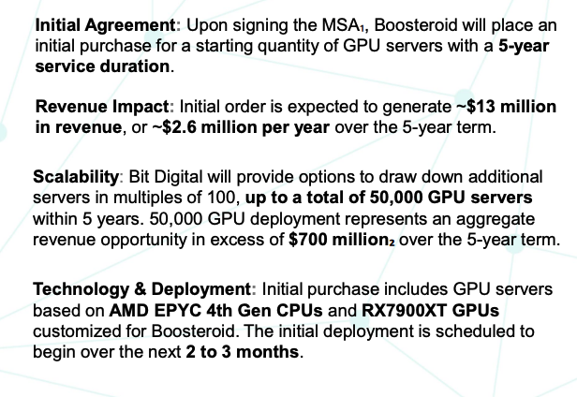
Financial Metrics |  |  |  |  |  |  |  | $97,857.13 |  | value key
 | mkt cap | share price | shares outstanding | cash | debt |  |  | $2,746.41 |  | HPC (h-100's)per card | $30,000
 | $472,808,952 | $3.08 | 153,509,400 | $59,000,000 | $20,215,643 |  |  |  |  | raw power\land | $300,000
 |  |  |  |  |  |  |  |  |  | op. btc infrastructure | $750,000
 |  |  |  |  |  |  |  | miner price index |  | convertible to hpc w/ redundancy | $1,500,000
Mining Metrics |  |  |  |  |  |  |  | under 25 J/TH | $17.91 | ppc tier 2 or higher | $2,500,000
 | ETH HODL | BTC HODL | Market Value | Crypto holdings as % of mkt cap | MW opperating | MW owned |  | 25-38 J/TH | $11.90
 | 27227 | 586 | $57,344,278 | 15.82% | 75 | 0 |  | 38-69 J/TH | $2.75
 | 15.82% | 12.13%

Fleet Efficiency (Self-Mining only)
 | efficiency rate (J/Th) | cost of energy / BTC | c/kWh | deployed fleet | TH/ miner | Deployed EH/s | EH/s YE24
 | 28.85 | $30,200 | 4.7 | 50,000 | 52.00 | 2.6 | 6

Salvage/ Intrinsic Value
 | value of miners | value of HPC | opperating BTC infra. value | hpc infra. tier 2 or higher | raw power \ land secured | op. btc that can be converted to hpc with only redundancy added | PPA value | ETH HODL (USD) | BTC HODL (USD) | cash | asset value | debt & other liablities | salvage ratio
 | $30,940,000 | $38,400,000 | $0 | $0 | $0 | $0 | $100,000,000 | $74,776,505 | $57,344,278 | $59,000,000 | $360,460,783 | $20,215,643 | 0.72

 |  |  |  | AI Pipeline

Cathedra
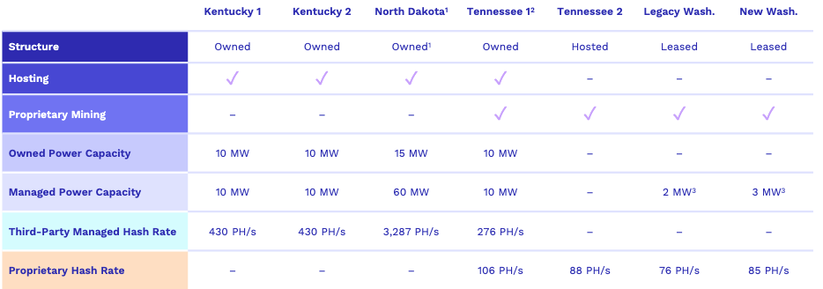
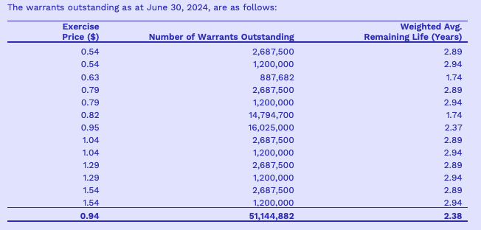
Financial Metrics |  |  |  |  |  |  |  | $97,857.13 |  | value key
 | mkt cap | share price | shares outstanding | cash | debt |  |  | $2,746.41 |  | HPC (h-100's)per card | $30,000 |  |  | Warrants June/30/24
 | $15,944,032 | $0.065 | 245,292,800 | $1,024,293 | $9,196,593 |  |  |  |  | raw power\land | $300,000
 |  |  |  |  |  |  |  |  |  | op. btc infrastructure | $750,000
 |  |  |  |  |  |  | miner price index |  |  | convertible to hpc w/ redundancy | $1,500,000
Mining Metrics |  |  |  |  |  |  | under 25 J/TH | $17.91 |  | ppc tier 2 or higher | $2,500,000
 | BTC HODL | Market Value | BTC as % of MC | MW opperating | MW owned |  | 25-38 J/TH | $11.90
 | 47 | $4,599,285 | 28.85% | 9.4 | 45
 |  |  |  |  |  |  | 38-69 J/TH | $2.75

Fleet Efficiency (Self-Mining only)
 | efficiency rate (J/Th) | c/kWh | deployed fleet | TH/ miner | Deployed EH/s | EH/s by YE 2024
 | 26.86 | 4.3 | 4,364 | 80.20 | 0.35 | No specified #

Salvage/ Intrinsic Value
 | value of miners | value of HPC | opperating BTC infra. value | hpc infra. tier 2 or higher | raw power \ land secured | op. btc that can be converted to hpc with only redundancy added | PPA value | PPA detail | BTC HODL (USD) | cash | asset value | debt & other liablities | salvage ratio
 | $4,165,000 | $0 | $7,050,000 | $0 | $10,680,000 | $0 | $0 | details | $4,599,285 | $1,024,293 | $27,518,578 | $9,196,593 | 1.15

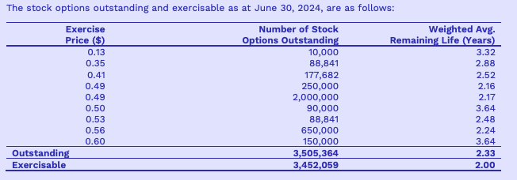
 |  |  |  |  |  |  |  |  |  |  |  |  |  | Stock options Outstanding June/30/24
 | Sites

monthly data
HIVE
Energized hashrate EH/S
Jan-24 | Feb-24 | Mar-24 | Apr-24 | May-24 | Jun-24 | Jul-24
4.1 | 4.2 | 4.7 | 5 | 5 | 4.9 | 4.7
revenue per TH/s
Jan-24 | Feb-24 | Mar-24 | Apr-24 | May-24 | Jun-24 | Jul-24
$2.50 | $2.90 | $3.40 | $2.65 | $1.65 | $1.59 | $1.59
BTC HODL
Jan-24 | Feb-24 | Mar-24 | Apr-24 | May-24 | Jun-24 | Jul-24
1939 | 2131 | 2287 | 2377 | 2451 | 2496 | 2533

HUT8
Energized hashrate EH/S
Jan-24 | Feb-24 | Mar-24 | Apr-24 | May-24 | Jun-24 | Jul-24
7.2 | 7.2 | 7.2 | 7.2 | 5.5 | 5.7 | 4.7
revenue per TH/s
Jan-24 | Feb-24 | Mar-24 | Apr-24 | May-24 | Jun-24 | Jul-24
$2.00 | $2.50 | $3.10 | $1.25 | $1.00 | $1.20 | $1.20
BTC HODL
Jan-24 | Feb-24 | Mar-24 | Apr-24 | May-24 | Jun-24 | Jul-24
9195 | 9110 | 9102 | 9109 | 9103 | 9105 | 9102

WULF
Energized hashrate EH/S
Jan-24 | Feb-24 | Mar-24 | Apr-24 | May-24 | Jun-24 | Jul-24
7.1 | 7.9 | 8 | 8 | 8 | 8.8 | 10
revenue per TH/s
Jan-24 | Feb-24 | Mar-24 | Apr-24 | May-24 | Jun-24 | Jul-24
$2.20 | $2.40 | $3.40 | $2.88 | $1.51 | $1.31 | $1.26

RIOT
Energized hashrate EH/S
Jan-24 | Feb-24 | Mar-24 | Apr-24 | May-24 | Jun-24 | Jul-24 | Aug-24 | Sep-24 | Oct-24 | Nov-24 | Dec-24
12.4 | 12.4 | 12.4 | 12.4 | 14.7 | 22 | 15.5 | 14.5 | 28.2 | 29.4 | 29.4 | 31.5
revenue per TH/s
Jan-24 | Feb-24 | Mar-24 | Apr-24 | May-24 | Jun-24 | Jul-24 | Aug-24 | Sep-24 | Oct-24 | Nov-24 | Dec-24
$2.10 | $2.20 | $2.60 | $1.97 | $1.48 | $1.06 | $1.17 | 1.08 | $1.08 | $1.24 | $1.60 | $1.56
BTC HODL
Jan-24 | Feb-24 | Mar-24 | Apr-24 | May-24 | Jun-24 | Jul-24 | Aug-24 | Sep-24 | Oct-24 | Nov-24 | Dec-24
7648 | 8067 | 8490 | 8872 | 9084 | 9334 | 9704 | 10019 | 10427 | 10928 | 11425 | 17722
BTC per EH/s
Jan-24 | Feb-24 | Mar-24 | Apr-24 | May-24 | Jun-24 | Jul-24 | Aug-24 | Sep-24 | Oct-24 | Nov-24 | Dec-24
41.9 | 33.7 | 49.4 | 42.6 | 24.4 | 22.4 | 23.9 | 22.2 | 21.1 | 22.2 | 19.2 | 18.8

IREN
Energized hashrate EH/S
Jan-24 | Feb-24 | Mar-24 | Apr-24 | May-24 | Jun-24 | Jul-24 | Aug-24 | Sep-24 | Oct-24 | Nov-24 | Dec-24
6.2 | 7 | 8 | 9.4 | 10 | 10 | 9 | 16 | 21 | 21 | 21 | 31
revenue per TH/s
Jan-24 | Feb-24 | Mar-24 | Apr-24 | May-24 | Jun-24 | Jul-24 | Aug-24 | Sep-24 | Oct-24 | Nov-24 | Dec-24
$2.50 | $2.40 | $3.30 | $2.68 | $1.55 | $1.57 | $1.37 | $1.37 | $1.37 | $1.52 | $1.50 | $1.60
BTC per EH/s
Jan-24 | Feb-24 | Mar-24 | Apr-24 | May-24 | Jun-24 | Jul-24 | Aug-24 | Sep-24 | Oct-24 | Nov-24 | Dec-24
60.4 | 49.2 | 49.7 | 43.5 | 24.4 | 25 | 24.6 | 22.4 | 21 | 22.1 | 19.2 | 18.8

